Pivot Table 6
Compare survival between males and females.

Pivot Table 5
Age vs Fare

Pivot Table 4
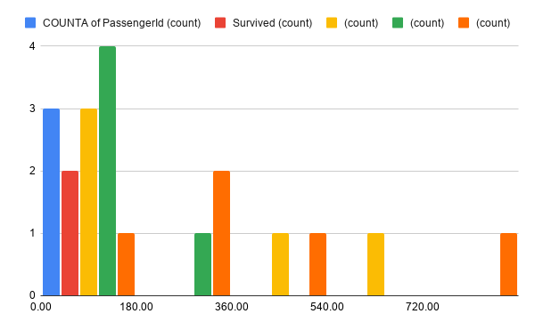

Pivot Table 3
Passengers by Class

Pivot Table 2
Passenger Survival Rate

Pivot Table 1
Male vs Female Passengers

Charts
Charts

Chart 1 | Chart 2 |  | Chart 6

Observation: | Observation: |  | Observation:

Male passengers were more numerous than female passengers. | Only around 38% of passengers survived. |  | The survival difference between genders is significant.
Male vs Female Passengers
Passenger Survival Rate
Compare survival between males and females.

Chart 3 |  | Chart 4

Observation: |  | Observation:

Most passengers traveled in Third Class. |  | Most passengers were between 20–40 years old.
Passengers by Class
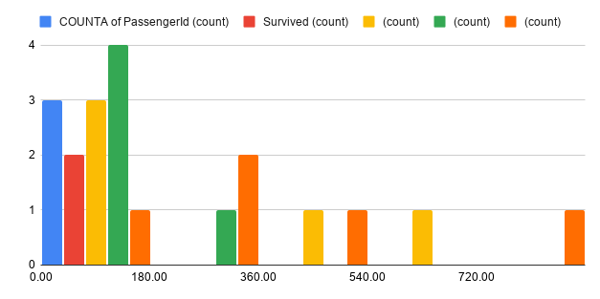

Chart 5
Observation:

Higher fares were generally paid by passengers in higher classes.

Age vs Fare

